Sheet1
Product Dashboard
Date | As on August 31, 2022
Name of Scheme | Samco Flexi Cap Fund
Type of the Scheme | An open-ended dynamic equity scheme investing across large cap, mid cap, small cap stocks
Investment Objective | The investment objective of the Scheme is to seek to generate long-term capital growth from an actively managed portfolio of Indian & foreign equity instruments across market capitalisation. However, there is no assurance or guarantee that the investment objective of the Scheme will be achieved.
Inception Date | 4th February 2022
Benchmark | Nifty 500 Index TRI
Fund Manager | Ms. Nirali Bhansali, Fund Manager – Equity; Mr. Dhawal Dhanani, Dedicated Fund Manager for Overseas investments
Tenure for which the Fund Manager has been managing the Scheme | Since inception (4th February 2022)
Performance | Regular Growth | Direct Growth | Benchmark | Additional Benchmark
6 months (Simple Annualised Returns) | -6.81% | -5.40% | 17.53% | 15.81%
Value of Rs 10,000 invested (in Rs)* | 9,657 | 9,728 | 10,884 | 10,797
Since Inception Return Simple Annualised Returns) | -7.55% | -6.14% | 4.56% | 4.41%
Value of Rs 10,000 invested - Since inception (in Rs)* | 9,570 | 9,650 | 10,260 | 10,251
 | Samco Flexi Cap Fund have not completed 1 year but have completed 6 months, accordingly, simple annualised returns are shown. Past performance may or may not be sustained in future and should not be used as a basis of comparison with other investments. Since inception returns of the scheme is calculated on face value of Rs. 10 invested at inception. Different Plans i.e. Regular Plan and Direct Plan under the scheme has different expense structure. *Based on standard investment of Rs. 10,000 made at the beginning of the relevant period. Benchmark: Nifty 500 TRI, Additional Benchmark: Nifty 50 TRI. Fund Manager:Mrs. Nirali Bhansali (managing since inception) and Mr. Dhawal Dhanani - dedicated Fund Manager for overseas investments (managing since inception)
Portfolio Details for month ending 31st August 2022 |  |  | % of Net Assets
Kindly click here for the latest available portfolio | Top 10 Holdings
 | Bajaj Finserv Limited |  | 9.93%
 | Bajaj Finance Limited |  | 8.93%
 | Tata Consultancy Services Limited |  | 8.17%
 | Coforge Limited |  | 6.17%
 | Jubilant Foodworks Limited |  | 6.07%
 | Computer Age Management Services Limited |  | 5.51%
 | Pidilite Industries Limited |  | 4.93%
 | L&T Technology Services Limited |  | 4.50%
 | ICICI Lombard General Insurance Company Limited |  | 4.42%
 | Dabur India Limited |  | 4.38%
 | Total |  | 63.01%

AuM (Rs. Crs) for month ending 31st August 2022 | Rs. 674.63 crore

Expense Ratio
- Regular/Existing Plan (%) | 2.45%
- Direct Plan (%) | 0.87%

Risk-o-meter | 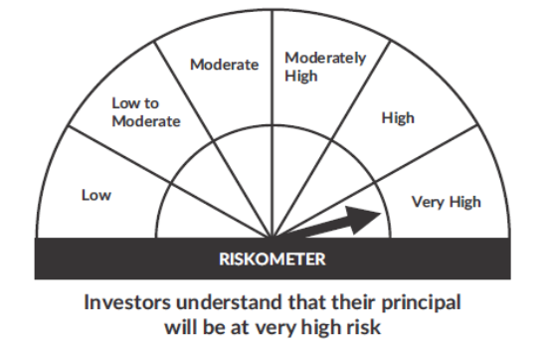 |  | 

